Sheet1
Sudoku Solver Test Results
To test our program, we had decided to use the world's hardest sudoku according to mathematician Dr Arto Inkala. Below is a copy of the Sudoku
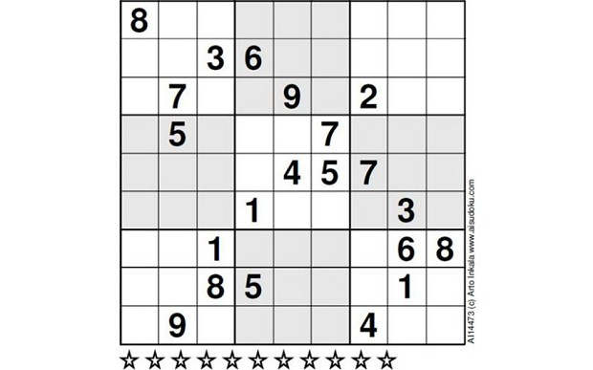

First, we had converted this sudoku to the csv format required by the program
8 | 0 | 0 | 0 | 0 | 0 | 0 | 0 | 0
0 | 0 | 3 | 6 | 0 | 0 | 0 | 0 | 0
0 | 7 | 0 | 0 | 9 | 0 | 2 | 0 | 0
0 | 5 | 0 | 0 | 0 | 7 | 0 | 0 | 0
0 | 0 | 0 | 0 | 4 | 5 | 7 | 0 | 0
0 | 0 | 0 | 1 | 0 | 0 | 0 | 3 | 0
0 | 0 | 1 | 0 | 0 | 0 | 0 | 6 | 8
0 | 0 | 8 | 5 | 0 | 0 | 0 | 1 | 0
0 | 9 | 0 | 0 | 0 | 0 | 4 | 0 | 0

We then used these numbers as the input for the program and received the answer to the sudoku puzzle in around two seconds.
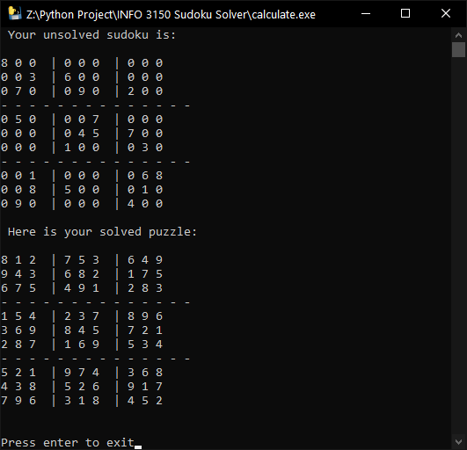

Compared to the answer shown below, it is identical to the results we got.
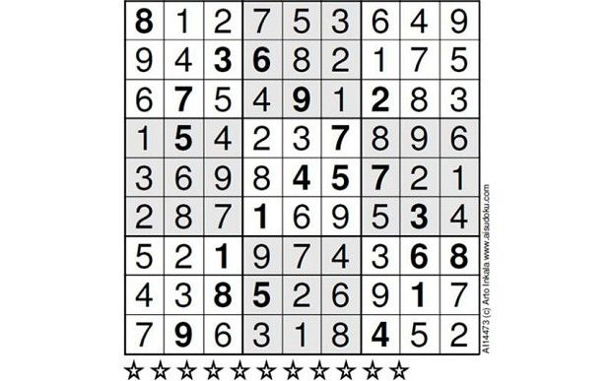

Although it was not a challenge for our program, it did take significantly longer than other sudoku puzzles since the program solves the other ones nearly instantaneously.

